D1
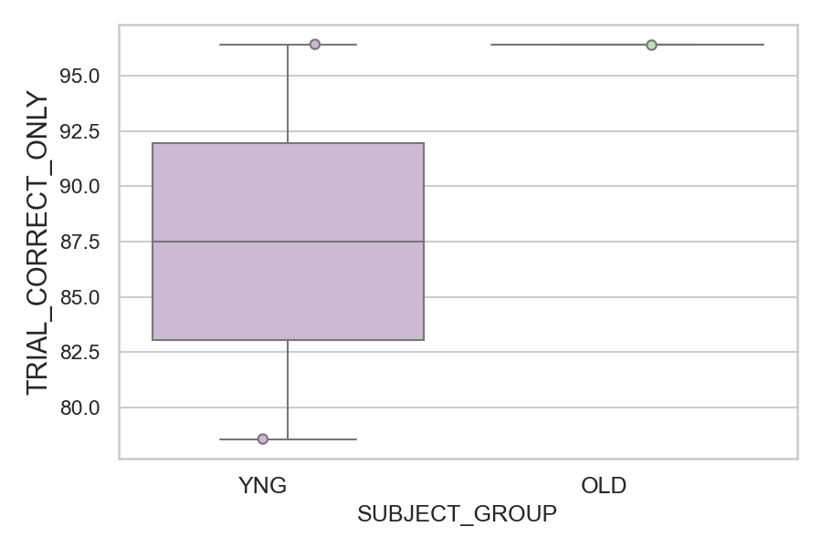
Total number of trials with the first saccade registered as correct (percentage)
SUBJECT_NAME | SUBJECT_GROUP | NUMBER_OF_CORRECT_TRIALS | TOTAL_NUMBER_OF_TRIALS | SUBJECT_AGE | VALUE
AW001CG | YNG | 27 | 28 | 19 | 96.428571429
CP001CTA | OLD | 27 | 28 | 65 | 96.428571429
AW002AF | YNG | 22 | 28 | 19 | 78.571428571

D1 (types)
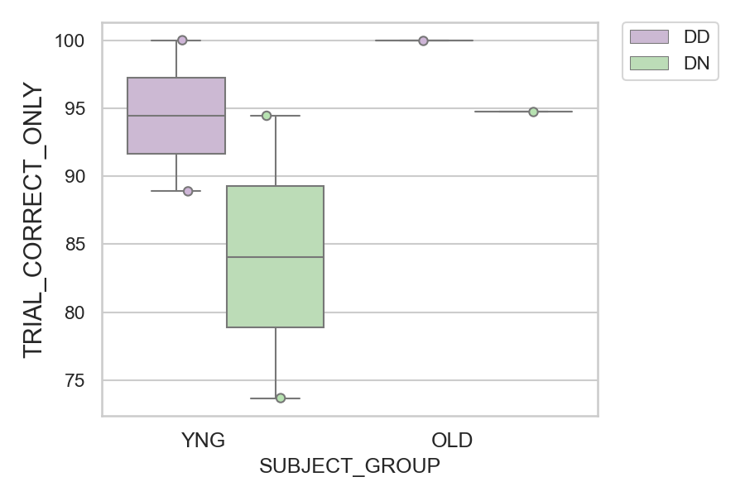
Total number of trials with the first saccade registered as correct (percentage)
SUBJECT_NAME | SUBJECT_GROUP | CONDITION_APPEARANCE | NUMBER_OF_CORRECT_TRIALS | TOTAL_NUMBER_OF_TRIALS | SUBJECT_AGE | VALUE
AW001CG | YNG | DD | 10 | 10 | 19 | 100
CP001CTA | OLD | DD | 9 | 9 | 65 | 100
CP001CTA | OLD | DN | 18 | 19 | 65 | 94.736842105
AW001CG | YNG | DN | 17 | 18 | 19 | 94.444444444
AW002AF | YNG | DD | 8 | 9 | 19 | 88.888888889
AW002AF | YNG | DN | 14 | 19 | 19 | 73.684210526

